TOTAL
Alkalmazott szűrők: TRANSPORT_MODE egyezik ezzel: Sea Reference type egyezik ezzel: Highlighted references only „QUERY_List_Carrier_name_EDIQ_Act”[LSP] egyezik ezzel: Maersk Date ekkori vagy későbbi a következőnél: 2026.03.23. 0:00:00 és dátuma korábbi, mint 2026.03.30. 0:00:00 SHIPMENT_CANCELLED egyezik ezzel: (Üres) Previous and next 1 year egyezik ezzel: Y KPI_Category nem egyezik ezzel: Mapping

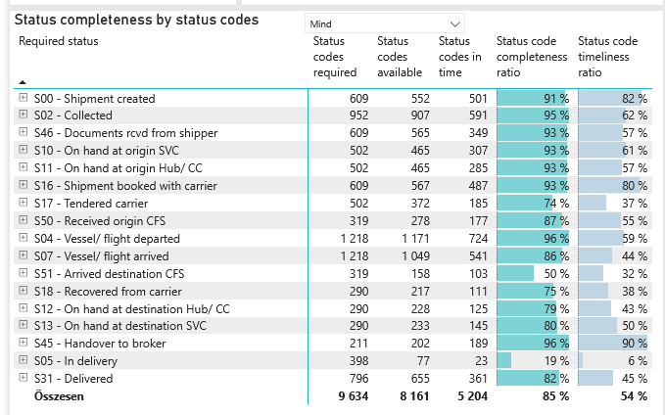
Required status | Status type | „QUERY_List_Carrier_EDIQ_Act”[LSP] | Status codes required | Status codes available | Status codes in time | Status code completeness ratio | Status code timeliness ratio
S00 - Shipment created | Actual | Maersk | 609 | 552 | 501 | 91 % | 82 %
S02 - Collected | Estimated | Maersk | 476 | 463 | 410 | 97 % | 86 %
S02 - Collected | Actual | Maersk | 476 | 444 | 181 | 93 % | 38 %
S46 - Documents rcvd from shipper | Actual | Maersk | 609 | 565 | 349 | 93 % | 57 %
S10 - On hand at origin SVC | Actual | Maersk | 502 | 465 | 307 | 93 % | 61 %
S11 - On hand at origin Hub/ CC | Actual | Maersk | 502 | 465 | 285 | 93 % | 57 %
S16 - Shipment booked with carrier | Actual | Maersk | 609 | 567 | 487 | 93 % | 80 %
S17 - Tendered carrier | Actual | Maersk | 502 | 372 | 185 | 74 % | 37 %
S50 - Received origin CFS | Actual | Maersk | 319 | 278 | 177 | 87 % | 55 %
S04 - Vessel/ flight departed | Estimated | Maersk | 609 | 597 | 527 | 98 % | 87 %
S04 - Vessel/ flight departed | Actual | Maersk | 609 | 574 | 197 | 94 % | 32 %
S07 - Vessel/ flight arrived | Estimated | Maersk | 609 | 581 | 256 | 95 % | 42 %
S07 - Vessel/ flight arrived | Actual | Maersk | 609 | 468 | 285 | 77 % | 47 %
S51 - Arrived destination CFS | Actual | Maersk | 319 | 158 | 103 | 50 % | 32 %
S18 - Recovered from carrier | Actual | Maersk | 290 | 217 | 111 | 75 % | 38 %
S12 - On hand at destination Hub/ CC | Actual | Maersk | 290 | 228 | 125 | 79 % | 43 %
S13 - On hand at destination SVC | Actual | Maersk | 290 | 233 | 145 | 80 % | 50 %
S45 - Handover to broker | Actual | Maersk | 211 | 202 | 189 | 96 % | 90 %
S05 - In delivery | Actual | Maersk | 398 | 77 | 23 | 19 % | 6 %
S31 - Delivered | Estimated | Maersk | 398 | 393 | 286 | 99 % | 72 %
S31 - Delivered | Actual | Maersk | 398 | 262 | 75 | 66 % | 19 %

FCL
Alkalmazott szűrők: TRANSPORT_MODE egyezik ezzel: Sea TRANSPORT_SERVICE_PRIORITY egyezik ezzel: FCL/FCL/FCL Reference type egyezik ezzel: Highlighted references only „QUERY_List_Carrier_name_EDIQ_Act”[LSP] egyezik ezzel: Maersk Date ekkori vagy későbbi a következőnél: 2026.03.23. 0:00:00 és dátuma korábbi, mint 2026.03.30. 0:00:00 SHIPMENT_CANCELLED egyezik ezzel: (Üres) Previous and next 1 year egyezik ezzel: Y KPI_Category nem egyezik ezzel: Mapping
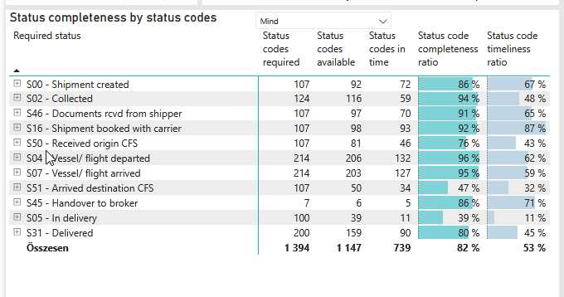
Required status | Status type | „QUERY_List_Carrier_EDIQ_Act”[LSP] | Status codes required | Status codes available | Status codes in time | Status code completeness ratio | Status code timeliness ratio
S00 - Shipment created | Actual | Maersk | 107 | 92 | 72 | 86 % | 67 %
S02 - Collected | Estimated | Maersk | 62 | 60 | 44 | 97 % | 71 %
S02 - Collected | Actual | Maersk | 62 | 56 | 15 | 90 % | 24 %
S46 - Documents rcvd from shipper | Actual | Maersk | 107 | 97 | 70 | 91 % | 65 %
S16 - Shipment booked with carrier | Actual | Maersk | 107 | 98 | 93 | 92 % | 87 %
S50 - Received origin CFS | Actual | Maersk | 107 | 81 | 46 | 76 % | 43 %
S04 - Vessel/ flight departed | Estimated | Maersk | 107 | 105 | 96 | 98 % | 90 %
S04 - Vessel/ flight departed | Actual | Maersk | 107 | 101 | 36 | 94 % | 34 %
S07 - Vessel/ flight arrived | Estimated | Maersk | 107 | 105 | 66 | 98 % | 62 %
S07 - Vessel/ flight arrived | Actual | Maersk | 107 | 98 | 61 | 92 % | 57 %
S51 - Arrived destination CFS | Actual | Maersk | 107 | 50 | 34 | 47 % | 32 %
S45 - Handover to broker | Actual | Maersk | 7 | 6 | 5 | 86 % | 71 %
S05 - In delivery | Actual | Maersk | 100 | 39 | 11 | 39 % | 11 %
S31 - Delivered | Estimated | Maersk | 100 | 98 | 58 | 98 % | 58 %
S31 - Delivered | Actual | Maersk | 100 | 61 | 32 | 61 % | 32 %

BCO
Alkalmazott szűrők: TRANSPORT_MODE egyezik ezzel: Sea TRANSPORT_SERVICE_PRIORITY egyezik ezzel: LCL/FCL/FCL Reference type egyezik ezzel: Highlighted references only „QUERY_List_Carrier_name_EDIQ_Act”[LSP] egyezik ezzel: Maersk Date ekkori vagy későbbi a következőnél: 2026.03.23. 0:00:00 és dátuma korábbi, mint 2026.03.30. 0:00:00 SHIPMENT_CANCELLED egyezik ezzel: (Üres) Previous and next 1 year egyezik ezzel: Y KPI_Category nem egyezik ezzel: Mapping

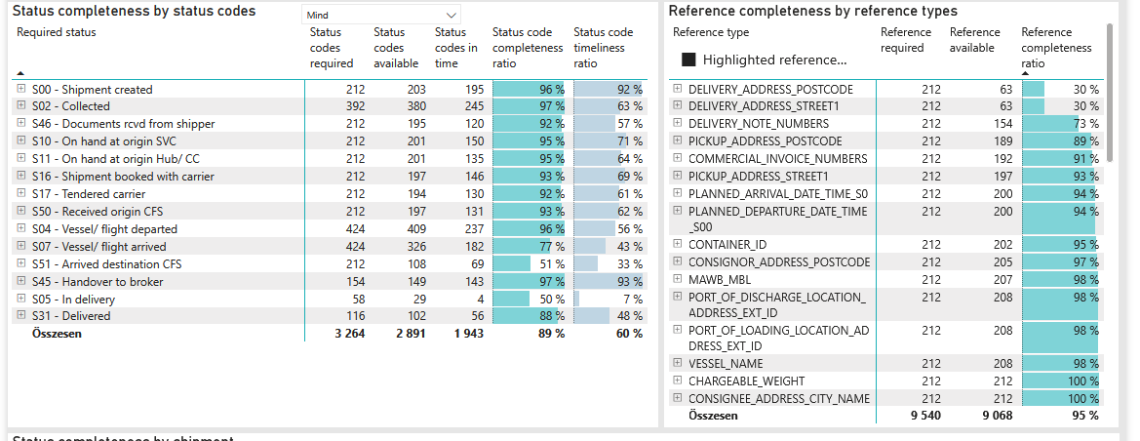
Required status | Status type | „QUERY_List_Carrier_EDIQ_Act”[LSP] | Status codes required | Status codes available | Status codes in time | Status code completeness ratio | Status code timeliness ratio
S00 - Shipment created | Actual | Maersk | 212 | 203 | 195 | 96 % | 92 %
S02 - Collected | Estimated | Maersk | 196 | 195 | 183 | 99 % | 93 %
S02 - Collected | Actual | Maersk | 196 | 185 | 62 | 94 % | 32 %
S46 - Documents rcvd from shipper | Actual | Maersk | 212 | 195 | 120 | 92 % | 57 %
S10 - On hand at origin SVC | Actual | Maersk | 212 | 201 | 150 | 95 % | 71 %
S11 - On hand at origin Hub/ CC | Actual | Maersk | 212 | 201 | 135 | 95 % | 64 %
S16 - Shipment booked with carrier | Actual | Maersk | 212 | 197 | 146 | 93 % | 69 %
S17 - Tendered carrier | Actual | Maersk | 212 | 194 | 130 | 92 % | 61 %
S50 - Received origin CFS | Actual | Maersk | 212 | 197 | 131 | 93 % | 62 %
S04 - Vessel/ flight departed | Estimated | Maersk | 212 | 208 | 190 | 98 % | 90 %
S04 - Vessel/ flight departed | Actual | Maersk | 212 | 201 | 47 | 95 % | 22 %
S07 - Vessel/ flight arrived | Estimated | Maersk | 212 | 205 | 122 | 97 % | 58 %
S07 - Vessel/ flight arrived | Actual | Maersk | 212 | 121 | 60 | 57 % | 28 %
S51 - Arrived destination CFS | Actual | Maersk | 212 | 108 | 69 | 51 % | 33 %
S45 - Handover to broker | Actual | Maersk | 154 | 149 | 143 | 97 % | 93 %
S05 - In delivery | Actual | Maersk | 58 | 29 | 4 | 50 % | 7 %
S31 - Delivered | Estimated | Maersk | 58 | 58 | 46 | 100 % | 79 %
S31 - Delivered | Actual | Maersk | 58 | 44 | 10 | 76 % | 17 %

LCL
Alkalmazott szűrők: TRANSPORT_MODE egyezik ezzel: Sea TRANSPORT_SERVICE_PRIORITY egyezik ezzel: LCL/LCL/LCL Reference type egyezik ezzel: Highlighted references only „QUERY_List_Carrier_name_EDIQ_Act”[LSP] egyezik ezzel: Maersk Date ekkori vagy későbbi a következőnél: 2026.03.23. 0:00:00 és dátuma korábbi, mint 2026.03.30. 0:00:00 SHIPMENT_CANCELLED egyezik ezzel: (Üres) Previous and next 1 year egyezik ezzel: Y KPI_Category nem egyezik ezzel: Mapping
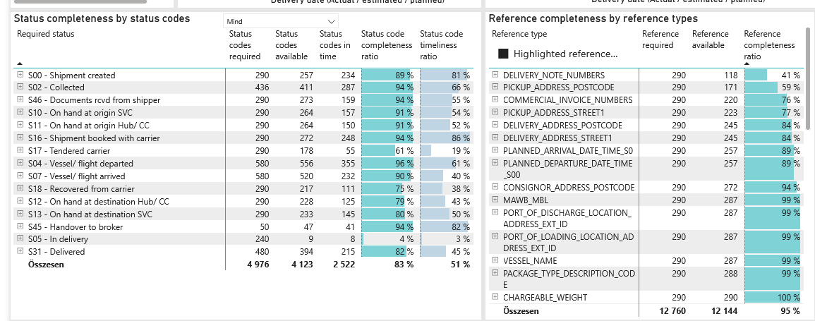
Required status | Status type | „QUERY_List_Carrier_EDIQ_Act”[LSP] | Status codes required | Status codes available | Status codes in time | Status code completeness ratio | Status code timeliness ratio
S00 - Shipment created | Actual | Maersk | 290 | 257 | 234 | 89 % | 81 %
S02 - Collected | Estimated | Maersk | 218 | 208 | 183 | 95 % | 84 %
S02 - Collected | Actual | Maersk | 218 | 203 | 104 | 93 % | 48 %
S46 - Documents rcvd from shipper | Actual | Maersk | 290 | 273 | 159 | 94 % | 55 %
S10 - On hand at origin SVC | Actual | Maersk | 290 | 264 | 157 | 91 % | 54 %
S11 - On hand at origin Hub/ CC | Actual | Maersk | 290 | 264 | 150 | 91 % | 52 %
S16 - Shipment booked with carrier | Actual | Maersk | 290 | 272 | 248 | 94 % | 86 %
S17 - Tendered carrier | Actual | Maersk | 290 | 178 | 55 | 61 % | 19 %
S04 - Vessel/ flight departed | Estimated | Maersk | 290 | 284 | 241 | 98 % | 83 %
S04 - Vessel/ flight departed | Actual | Maersk | 290 | 272 | 114 | 94 % | 39 %
S07 - Vessel/ flight arrived | Estimated | Maersk | 290 | 271 | 68 | 93 % | 23 %
S07 - Vessel/ flight arrived | Actual | Maersk | 290 | 249 | 164 | 86 % | 57 %
S18 - Recovered from carrier | Actual | Maersk | 290 | 217 | 111 | 75 % | 38 %
S12 - On hand at destination Hub/ CC | Actual | Maersk | 290 | 228 | 125 | 79 % | 43 %
S13 - On hand at destination SVC | Actual | Maersk | 290 | 233 | 145 | 80 % | 50 %
S45 - Handover to broker | Actual | Maersk | 50 | 47 | 41 | 94 % | 82 %
S05 - In delivery | Actual | Maersk | 240 | 9 | 8 | 4 % | 3 %
S31 - Delivered | Estimated | Maersk | 240 | 237 | 182 | 99 % | 76 %
S31 - Delivered | Actual | Maersk | 240 | 157 | 33 | 65 % | 14 %

